Sprint 1
Sprint 1
Status | Number of Tasks
Pass | 7
Fail | 0

No | Test case name | Title | Method | URL | Payload | Expected result | Actual result | Status
1 | API Address | Get countries | GET | /craftvillage/api/address/getcountrylist |  | [ { "countryId": int, "zipcode": String, "countryName": String }, ] | 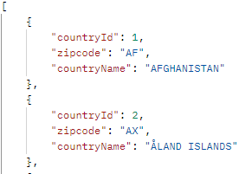 | Pass
2 |  | Get provinces by countryid | GET | /craftvillage/api/address/getprovincelist?countryid=234 |  | [ { "provinceId": int, "provinceCode": String, "provinceName": String }, ] | 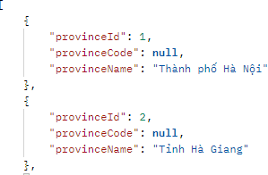 | Pass
3 |  | Get districts by provinceid | GET | /craftvillage/api/address/getdistrictlist?provinceid=1 |  | [ { "districtId": int, "districtCode": String, "districtName": String }, ] | 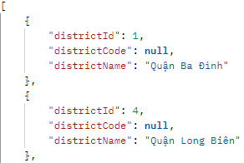 | Pass
4 |  | Get wards by districtid | GET | /craftvillage/api/address/getwardlist?districteid=1 |  | [ { "wardId": int, "wardCode": String, "wardName": String }, ] | 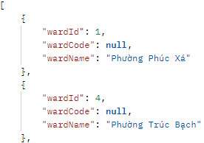 | Pass
5 |  | Get villages by wardid | GET | /craftvillage/api/address/getvillage?wardid=20029 |  | [ { "villageId": int, "villageName": String, "coordinate":String, "note": String, "hasAdded": int }, ] | 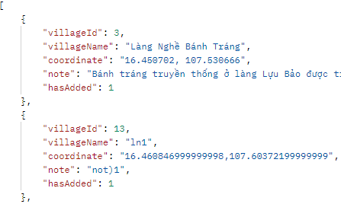 | Pass
6 | API Village | Create new village | POST | /craftvillage/api/village/newvillage | 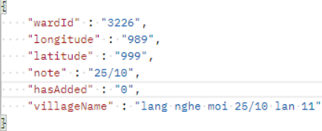 | 205 | 205 | Pass
7 |  | Create same village | POST | /craftvillage/api/village/newvillage |  | -1 | -1 | Pass

Sprint 2
Sprint 2
Status | Number of Tasks
Pass | 25
Fail | 0

No | Test case name | Title | Method | URL | Payload | Expected result | Actual result | Status
1 | Send mail | Send actived code | GET | /craftvillage/api/user/sendmail?email=capstone_1@gmail.com |  | { "activeCode": String, "activeDate": String } |  | Pass
2 | Register | Register_success | POST | /craftvillage/api/user/register | 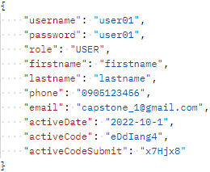 | { "key": "11" } |  | Pass
3 |  | Register with same username | POST | /craftvillage/api/user/register | 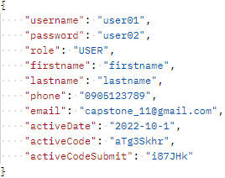 | { "key": "12" } |  | Pass
4 |  | Register with same Email | POST | /craftvillage/api/user/register | 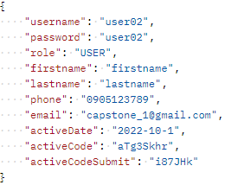 | { "key": "13" } |  | Pass
5 |  | Register with same phone number | POST | /craftvillage/api/user/register | 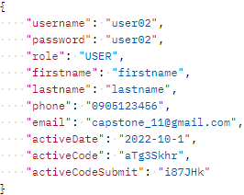 | { "key": "14" } |  | Pass
6 |  | Register with wrong code | POST | /craftvillage/api/user/register | 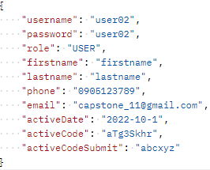 | { "key": "0" } |  | Pass
7 |  | Register with expired code | POST | /craftvillage/api/user/register | 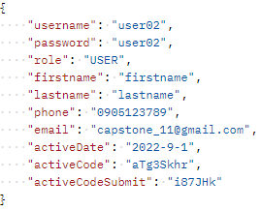 | { "key": "2" } |  | Pass
8 | Log in | Login_success | POST | /craftvillage/api/user/logingapp |  | { "error": null, "token": String } | 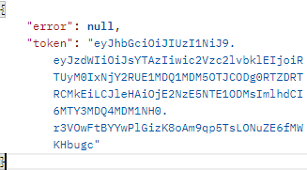 | Pass
9 |  | Login with wrong username | POST | /craftvillage/api/user/logingapp |  | { "error": "ERR_USER_NOT_EXIST", "token": null } |  | Pass
10 |  | Login account on 2 devices | POST | /craftvillage/api/user/logingapp |  | { "error": "ERROR_LOGIN_DOUBLE", "token": null } |  | Pass
11 |  | Login with wrong password | POST | /craftvillage/api/user/logingapp |  | { "error": "ERR_USER_WRONG_PASS", "token": null } |  | Pass
12 | Log out | Log out | GET | /craftvillage/api/user/logoutgapp |  | TRUE | TRUE | Pass
13 | Forget password | Reset password_success | POST | /craftvillage/api/user/forgetpass |  | TRUE | TRUE | Pass
14 |  | Reset password with wrong username | POST | /craftvillage/api/user/forgetpass |  | FALSE | FALSE | Pass
15 |  | Reset password with wrong email | POST | /craftvillage/api/user/forgetpass |  | FALSE | FALSE | Pass
16 | Change password | Change password_success | POST | /craftvillage/api/user/changepass |  | TRUE | TRUE | Pass
17 |  | Change password with wrong current password | POST | /craftvillage/api/user/changepass |  | FALSE | FALSE | Pass
18 | Update info | Update user info | POST | /craftvillage/api/user/updateuser |  | TRUE | TRUE | Pass
19 | Report | Report bug | POST | /report |  | TRUE | TRUE | Pass
7 | API Question | Get question | GET | /craftvillage/api/survey/question |  |  | 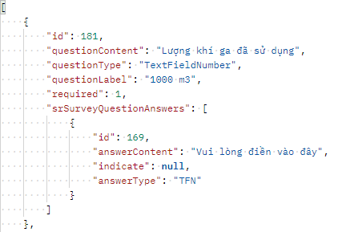 | Pass
8 | API answer | Get answer | GET | /craftvillage/api/survey/answer |  |  | 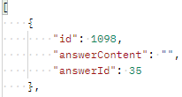 | Pass
9 | API answer | Submit answer | POST | /craftvillage/api/survey/answer | 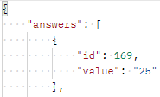 | TRUE | TRUE | Pass
8 | Get household | Get household | GET | /api/map/getHousehold?villageId=10711 |  |  |  | Pass
9 | Get image | Get image | GET | /craftvillage/api/survey/getImage?surveyId=5 |  |  |  | Pass
10 | Get household answer | Get household answer | GET | /craftvillage/api/survey/answerHousehold?householdId=4 |  | 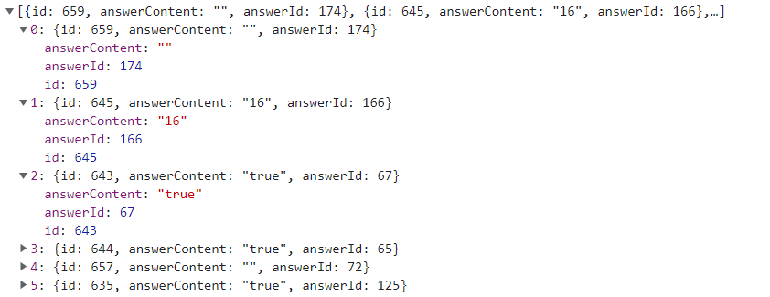 |  | Pass

Sprint 3
Sprint 3
Status | Number of Tasks
Pass | 10
Fail | 0

No | Test case name | Title | Method | URL | Payload | Expected result | Actual result | Status
1 | Detect village | Detect village by coordinate | GET | /craftvillage/api/village/detectvillage?longitude=123.123&latitude=123.23 |  | { "hasAdded": "1", "wardName": "Phường Phúc Xá", "villageLongitude": " 123.23", "districtId": "1", "districtName": "Quận Ba Đình", "villageNote": "day la mo ta", "villageLatitude": "123.123", "wardId": "1", "provinceName": "Thành phố Hà Nội", "villageName": "7/12 test", "villageId": "241", "provinceId": "1" } | 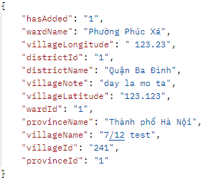 | Pass
2 | Submit survey | Submit survey | POST | /craftvillage/api/village/submitvillage | 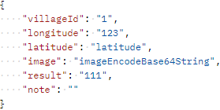 | TRUE | TRUE | Pass
3 |  | Submit survey | POST | /craftvillage/api/village/submitvillage | 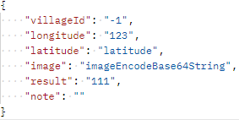 | FALSE | FALSE | Pass
4 | Declare village | Declare household's village | POST | /web/household/village |  | TRUE | TRUE | Pass
5 |  | Declare household's village | POST | /web/household/village |  | FALSE | FALSE | Pass
6 | Create Local Authority account | Create_success | POST | /web/admin/createauthority | 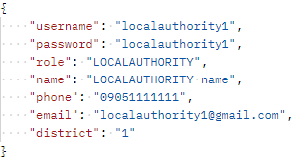 | { "key": "1", "message": "Đăng ký thành công!" } |  | Pass
7 |  | Create with same account | POST | /web/admin/createauthority |  | { "key": "2", "message": "Người dùng này đã tồn tại!" } |  | Pass
8 |  | Create with same email | POST | /web/admin/createauthority | 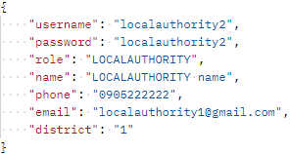 | { "key": "3", "message": "Email này đã được sử dụng!" } |  | Pass
9 |  | Create with same phone number | POST | /web/admin/createauthority | 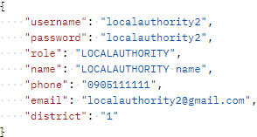 | { "key": "4", "message": "Số điện thoại này đã được sử dụng!" } |  | Pass
10 | API answer | Submit answer | POST | /craftvillage/api/village/update |  |  |  | Pass

Sprint 4
Sprint 4
Status | Number of Tasks
Pass | 10
Fail | 0

No | Test case name | Title | Method | URL | Payload | Expected result | Actual result | Status
1 | Get surveys | Get survey | GET | /craftvillage/api/survey/allsurvey |  | { "completedSurvey": [ { "villageId": "1", "villageName": "Làng gốm Bát Tràng", "date": "2022-11-05" } ], "inprogressSurvey": [] } | 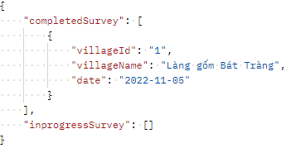 | Pass
2 | Register | Register_success | POST | /craftvillage/api/user/register |  | { "key": "11", "message": "Đăng ký thành công!" } |  | Pass
3 |  | Register with same username | POST | /craftvillage/api/user/register |  | { "key": "12", "message": "Người dùng này đã tồn tại!" } |  | Pass
4 |  | Register with same Email | POST | /craftvillage/api/user/register |  | { "key": "13", "message": "Email này đã được sử dụng!" } |  | Pass
5 |  | Register with same phone number | POST | /craftvillage/api/user/register |  | { "key": "14", "message": "Số điện thoại này đã được sử dụng!" } |  | Pass
6 |  | Register with wrong code | POST | /craftvillage/api/user/register |  | { "key": "0", "message": "Sai mã xác nhận!" } |  | Pass
7 |  | Register with expired code | POST | /craftvillage/api/user/register |  | { "key": "2", "message": "Mã xác nhận đã hết hạn!" } |  | Pass
8 | Make decision | Accept new village | POST | /web/authority/accept?villageId=4 |  | TRUE | TRUE | Pass
9 |  | Decline new village | POST | /web/authority/accept?villageId=5 |  | TRUE | TRUE | Pass
10 | Get data set | Get data set | GET | /craftvillage/api/dataSet/getAll |  |  | 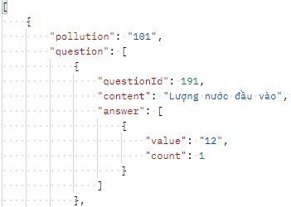 | Pass

Sprint 5
Sprint 5
Status | Number of Tasks
Pass | 4
Fail | 0

No | Test case name | Title | Method | URL | Payload | Expected result | Actual result | Status
1 | Detect village | Detect village by coordinate | GET | /craftvillage/api/village/detectvillage?longitude=123.123&latitude=123.23 |  | [ { "hasAdded": "1", "wardName": "Phường Phúc Xá", "villageLongitude": "123.23", "districtName": "Quận Ba Đình", "villageNote": "day la mo ta", "villageLatitude": "123.123", "provinceName": "Thành phố Hà Nội", "villageName": "7/12 test", "villageId": "241" } ] | 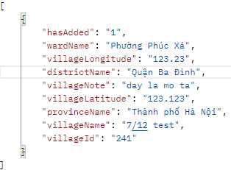 | Pass
2 | Update question | Update required state | PUT | /craftvillage/api/survey/question |  | TRUE | TRUE | Pass
3 | Notification | Get notification | GET | /craftvillage/api/notification |  |  |  | Pass
4 |  | Seen notification | PUT | /craftvillage/api/notification?id=2 |  | TRUE | TRUE | Pass

